Sheet1
 | Female |  |  | Male
Stage | Female Breast Development Scale | Pubic Hair Scale | Stage | Male External Genitalia Scale | Pubic Hair Scale
1 | 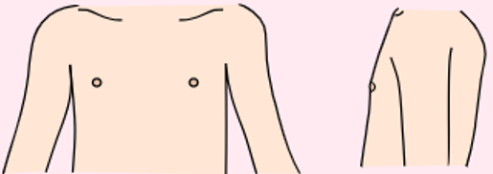 | 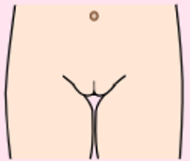 | 1 | 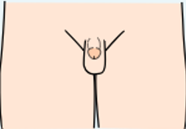
 | no glandular tissue: areola follows the skin contours of the chest | No hair |  | testicular volume less than 1.5 ml; small penis | No hair
2 | 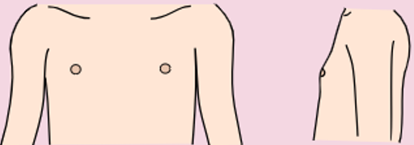 | 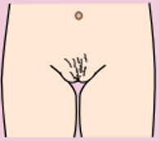 | 2 | 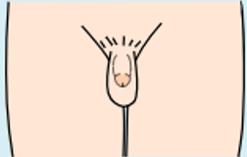
 | breast bud forms, with small area of surrounding glandular tissue; areola begins to widen | small amount of long, downy hair with slight pigmentation at the base on the labia majora |  | testicular volume between 1.6 and 6 ml; skin on scrotum thins, reddens and enlarges; penis length unchanged | small amount of long, downy hair with slight pigmentation at the base of the penis and scrotum
3 | 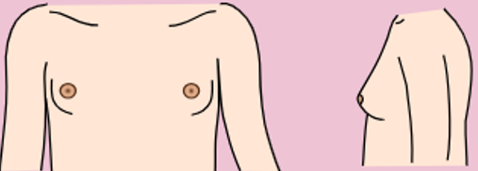 | 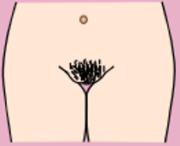 | 3 | 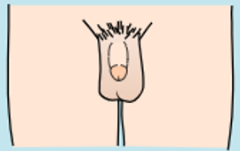
 | breast begins to become more elevated, and extends beyond the borders of the areola, which continues to widen but remains in contour with surrounding breast | hair becomes more coarse and curly, and begins to extend laterally |  | testicular volume between 6 and 12 ml; scrotum enlarges further; penis begins to lengthen | hair becomes more coarse and curly, and begins to extend laterally
4 | 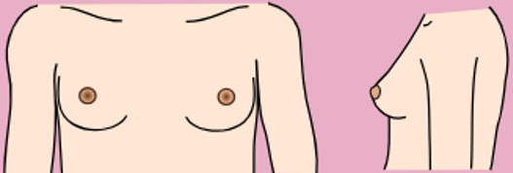 | 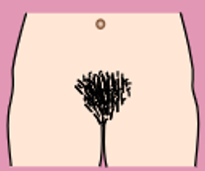 | 4 | 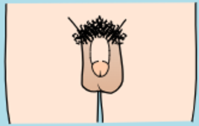
 | increased breast sizing and elevation; areola and papilla form a secondary mound projecting from the contour of the surrounding breast | adult-like hair quality, extending across pubis but sparing medial thighs |  | testicular volume between 12 and 20 ml; scrotum becomes larger and darkens; penis further increases in length and starts to increase in breadth | adult-like hair quality, extending across pubis but sparing medial thighs
5 | 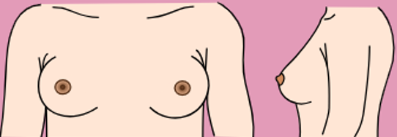 | 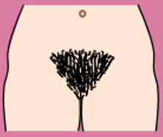 | 5 | 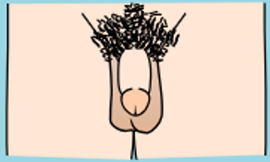
 | breast reaches final adult size; areola returns to contour of the surrounding breast, with a projecting central papilla | hair extends to medial surface of the thighs |  | testicular volume at least 20 ml; adult scrotum and penis | hair extends to medial surface of the thighs

